Bug6
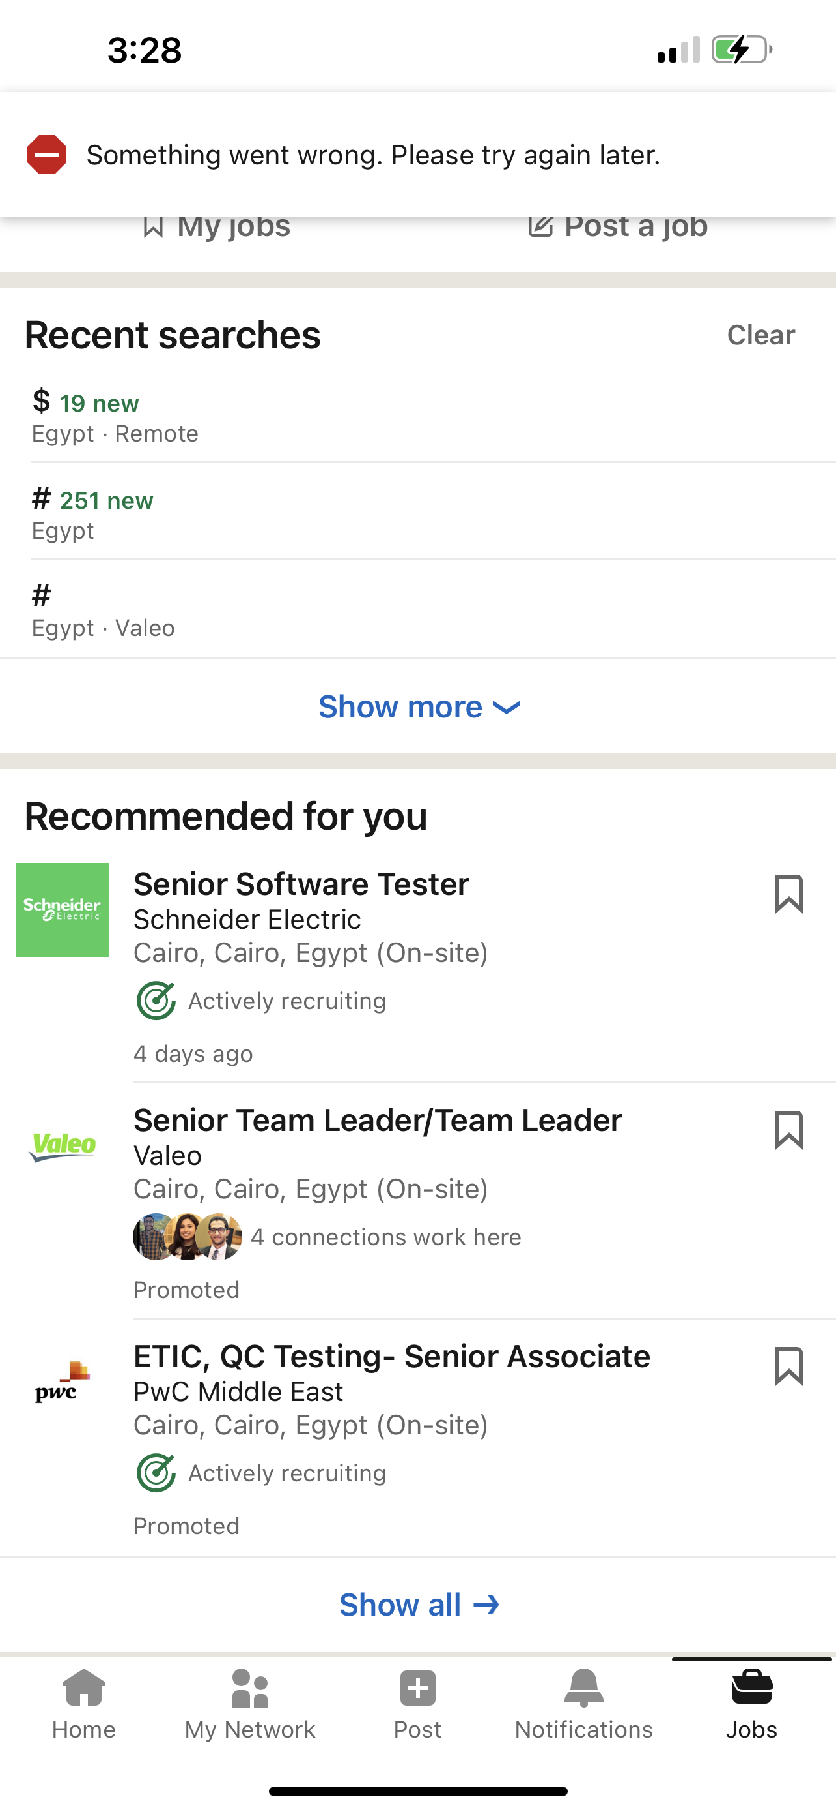
Title | Error 'Something went wrong. Please try again later' displays when pulling to refresh 'Jobs' screen and connection disabled
Steps

 | Open Linked in app on ios device
 | Login
 | Disable internet connection
 | Click on 'Jobs' button
 | The page is loading
 | pull down to refresh the screen
 | Notice error message

 | Result
 | Error 'Something went wrong. Please try again later' displays when pulling to refresh 'Jobs' screen and connection disabled

 | Expected result
 | Clear message should appear when the connection is disabled when pulling to refresh 'Jobs' screen

Serverity | low
Priority | low
Affected devices | Ios
Attachment

